BQL Query
Index Members Cummulative Contribution

Start date | 2023-03-31
End date | 2023-06-30
Currency | USD

Let() | let(#mc = cur_mkt_cap(dates=#start).value; #netchgmc = net_chg(cur_mkt_cap(dates=range(#start,#end))).value; #totalchgmc = groupsum(#netchgmc); #chgcontr = #netchgmc/ #totalchgmc; #cumcontrib = ungroup(cumsum(group(groupsort(#chgcontr,#mc))),ungrouporder = 'CURRENT').value; #sector = gics_sector_name().value; #name = name; #price_change = pct_chg(px_last(dates=range(#start,#end))).value/100;)

Get() | get(#cumcontrib,#price_change)

for() | for(translatesymbols(members('SPX Index',dates=#start),targetidtype = 'FUNDAMENTALTICKER'))

with() | with(fill=prev,currency=#currency,mode=cached)

S&P 500 Cummulative Market Cap Change Contribution
ID | #cumcontrib | #price_change
AAPL US Equity | 15% | 17.6%
MSFT US Equity | 28% | 18.1%
GOOGL US Equity | 34% | 15.4%
AMZN US Equity | 44% | 26.2%
NVDA US Equity | 56% | 52.3%
BRK/A US Equity | 58% | 11.2%
TSLA US Equity | 64% | 26.2%
META US Equity | 70% | 35.4%
V US Equity | 71% | 5.3%
XOM US Equity | 71% | -2.2%
UNH US Equity | 71% | 1.7%
JNJ US Equity | 72% | 6.8%
WMT US Equity | 73% | 6.6%
JPM US Equity | 74% | 11.6%
PG US Equity | 74% | 2.1%
MA US Equity | 75% | 8.2%
LLY US Equity | 79% | 36.6%
CVX US Equity | 79% | -3.6%
HD US Equity | 79% | 5.3%
ABBV US Equity | 78% | -15.5%
MRK US Equity | 78% | 8.5%
KO US Equity | 78% | -2.9%
AVGO US Equity | 81% | 35.2%
PEP US Equity | 81% | 1.6%
ORCL US Equity | 84% | 28.2%
PFE US Equity | 83% | -10.1%
BAC US Equity | 83% | 0.3%
TMO US Equity | 82% | -9.5%
COST US Equity | 83% | 8.4%
CSCO US Equity | 83% | -1.0%
MCD US Equity | 83% | 6.7%
CRM US Equity | 83% | 5.7%
NKE US Equity | 83% | -10.0%
ACN US Equity | 83% | 8.0%
DHR US Equity | 83% | -4.8%
DIS US Equity | 82% | -10.8%
ADBE US Equity | 84% | 26.9%
TMUS US Equity | 84% | -4.1%
ABT US Equity | 84% | 7.7%
LIN US Equity | 84% | 7.2%
TXN US Equity | 84% | -3.2%
UPS US Equity | 84% | -7.6%
VZ US Equity | 84% | -4.4%
CMCSA US Equity | 84% | 9.6%
AMD US Equity | 85% | 16.2%
NFLX US Equity | 86% | 27.5%
NEE US Equity | 86% | -3.7%
PM US Equity | 86% | 0.4%
MS US Equity | 86% | -2.7%
BMY US Equity | 86% | -7.7%
RTX US Equity | 86% | 0.0%
QCOM US Equity | 85% | -6.7%
WFC US Equity | 86% | 14.2%
T US Equity | 85% | -17.1%
INTC US Equity | 85% | 2.4%
AMGN US Equity | 85% | -8.2%
HON US Equity | 85% | 8.6%
BA US Equity | 85% | -0.6%
INTU US Equity | 85% | 2.8%
UNP US Equity | 85% | 1.7%
AXP US Equity | 86% | 5.6%
DE US Equity | 86% | -1.9%
COP US Equity | 86% | 4.4%
LMT US Equity | 86% | -2.6%
SBUX US Equity | 85% | -4.9%
LOW US Equity | 86% | 12.9%
IBM US Equity | 86% | 2.1%
CAT US Equity | 86% | 7.5%
PLD US Equity | 86% | -1.7%
GS US Equity | 86% | -1.4%
SPGI US Equity | 87% | 16.3%
ELV US Equity | 86% | -3.4%
SYK US Equity | 87% | 6.9%
MDT US Equity | 87% | 9.3%
GE US Equity | 88% | 14.9%
AMAT US Equity | 88% | 17.7%
GILD US Equity | 88% | -7.1%
BLK US Equity | 88% | 3.3%
BKNG US Equity | 88% | 1.8%
ADI US Equity | 88% | -1.2%
SCHW US Equity | 88% | 8.2%
CVS US Equity | 88% | -7.0%
AMT US Equity | 88% | -5.1%
MDLZ US Equity | 88% | 4.6%
NOW US Equity | 89% | 20.9%
ADP US Equity | 89% | -1.3%
C US Equity | 89% | -1.8%
TJX US Equity | 89% | 8.2%
REGN US Equity | 88% | -12.6%
ISRG US Equity | 89% | 33.8%
EL US Equity | 89% | -20.3%
PYPL US Equity | 88% | -12.1%
PGR US Equity | 88% | -7.5%
MMC US Equity | 89% | 12.9%
VRTX US Equity | 89% | 11.7%
CB US Equity | 89% | -0.8%
MO US Equity | 89% | 1.5%
ZTS US Equity | 89% | 3.5%
TGT US Equity | 88% | -20.4%
CI US Equity | 89% | 9.8%
SO US Equity | 89% | 1.0%
DUK US Equity | 89% | -7.0%
ITW US Equity | 89% | 2.8%
HCA US Equity | 89% | 15.1%
BSX US Equity | 89% | 8.1%
LRCX US Equity | 90% | 21.3%
FI US Equity | 90% | 11.6%
BDX US Equity | 90% | 6.7%
NOC US Equity | 90% | -1.3%
SLB US Equity | 90% | 0.0%
CME US Equity | 90% | -3.3%
ETN US Equity | 90% | 17.4%
EOG US Equity | 90% | -0.2%
ATVI US Equity | 90% | -1.5%
EQIX US Equity | 91% | 8.7%
WM US Equity | 91% | 6.3%
MU US Equity | 91% | 4.6%
AON US Equity | 91% | 9.5%
APD US Equity | 91% | 4.3%
CHTR US Equity | 91% | 2.7%
GD US Equity | 91% | -5.7%
CL US Equity | 91% | 2.5%
CSX US Equity | 91% | 13.9%
HUM US Equity | 91% | -7.9%
MPC US Equity | 91% | -13.5%
MRNA US Equity | 90% | -20.9%
SNPS US Equity | 91% | 12.7%
FCX US Equity | 91% | -2.2%
ICE US Equity | 91% | 8.4%
SHW US Equity | 91% | 18.1%
CCI US Equity | 91% | -14.9%
MMM US Equity | 91% | -4.8%
FDX US Equity | 91% | 8.5%
CDNS US Equity | 91% | 11.6%
MNST US Equity | 91% | 6.4%
OXY US Equity | 91% | -5.8%
MCO US Equity | 91% | 13.6%
KLAC US Equity | 92% | 21.5%
USB US Equity | 92% | -8.3%
PSA US Equity | 92% | -3.4%
ORLY US Equity | 92% | 12.5%
FTNT US Equity | 92% | 13.7%
HSY US Equity | 92% | -1.9%
ANET US Equity | 92% | -3.5%
VLO US Equity | 92% | -16.0%
MAR US Equity | 92% | 10.6%
GM US Equity | 92% | 5.1%
PNC US Equity | 92% | -0.9%
F US Equity | 92% | 20.1%
GIS US Equity | 92% | -10.3%
EW US Equity | 92% | 14.0%
EMR US Equity | 92% | 3.7%
KDP US Equity | 92% | -11.4%
MCK US Equity | 92% | 20.0%
APH US Equity | 92% | 4.0%
NXPI US Equity | 93% | 9.8%
NSC US Equity | 93% | 7.0%
PXD US Equity | 93% | 1.4%
MSI US Equity | 93% | 2.5%
SRE US Equity | 93% | -3.7%
KHC US Equity | 93% | -8.2%
CMG US Equity | 93% | 25.2%
ECL US Equity | 93% | 12.8%
CTAS US Equity | 93% | 7.4%
ROP US Equity | 93% | 9.1%
AEP US Equity | 93% | -7.5%
PSX US Equity | 93% | -5.9%
D US Equity | 93% | -7.4%
DG US Equity | 93% | -19.3%
MCHP US Equity | 93% | 6.9%
KMB US Equity | 93% | 2.9%
TFC US Equity | 93% | -11.0%
AZO US Equity | 93% | 1.4%
DXCM US Equity | 93% | 10.6%
MET US Equity | 93% | -2.4%
MSCI US Equity | 93% | -16.2%
ADSK US Equity | 93% | -1.7%
LVS US Equity | 93% | 1.0%
ADM US Equity | 93% | -5.1%
PH US Equity | 93% | 16.0%
CTVA US Equity | 93% | -5.0%
RSG US Equity | 93% | 13.3%
TT US Equity | 93% | 4.0%
O US Equity | 93% | -5.6%
STZ US Equity | 93% | 9.0%
EXC US Equity | 93% | -2.7%
TEL US Equity | 93% | 6.9%
IDXX US Equity | 93% | 0.4%
JCI US Equity | 93% | 13.2%
PAYX US Equity | 93% | -2.4%
AJG US Equity | 93% | 14.8%
A US Equity | 93% | -13.1%
HES US Equity | 93% | 2.7%
TDG US Equity | 94% | 21.3%
BIIB US Equity | 94% | 2.5%
TRV US Equity | 94% | 1.3%
AFL US Equity | 94% | 8.2%
KMI US Equity | 94% | -1.7%
SYY US Equity | 94% | -3.9%
NEM US Equity | 94% | -13.0%
NUE US Equity | 94% | 6.2%
DOW US Equity | 94% | -2.8%
PCAR US Equity | 94% | 14.3%
CARR US Equity | 94% | 8.7%
HLT US Equity | 94% | 3.3%
ODFL US Equity | 94% | 8.5%
LHX US Equity | 94% | -0.2%
GEHC US Equity | 94% | -1.0%
XEL US Equity | 94% | -7.8%
IQV US Equity | 94% | 13.0%
YUM US Equity | 94% | 4.9%
AIG US Equity | 94% | 14.3%
WBD US Equity | 94% | -17.0%
ILMN US Equity | 94% | -19.4%
BK US Equity | 94% | -2.0%
COF US Equity | 94% | 13.7%
SPG US Equity | 94% | 3.1%
WMB US Equity | 94% | 9.3%
ROST US Equity | 94% | 5.7%
CPRT US Equity | 94% | 21.3%
ON US Equity | 95% | 14.9%
KR US Equity | 94% | -4.8%
WELL US Equity | 95% | 12.8%
OTIS US Equity | 95% | 5.5%
CNC US Equity | 95% | 6.7%
GWW US Equity | 95% | 14.5%
ED US Equity | 95% | -5.5%
CMI US Equity | 95% | 2.6%
MTD US Equity | 95% | -14.3%
ROK US Equity | 95% | 12.3%
DHI US Equity | 95% | 24.6%
AME US Equity | 95% | 11.4%
DVN US Equity | 95% | -4.5%
EA US Equity | 95% | 7.7%
DD US Equity | 95% | -0.5%
VICI US Equity | 95% | -3.6%
ABC US Equity | 95% | 20.2%
AMP US Equity | 96% | 8.4%
RMD US Equity | 96% | -0.2%
FIS US Equity | 96% | 0.7%
PCG US Equity | 96% | 6.9%
DLTR US Equity | 96% | 0.0%
PPG US Equity | 96% | 11.0%
PEG US Equity | 96% | 0.3%
CTSH US Equity | 96% | 7.1%
BF/B US Equity | 96% | 3.9%
FAST US Equity | 96% | 9.4%
LYB US Equity | 96% | -2.2%
APTV US Equity | 96% | -9.0%
PRU US Equity | 96% | 6.6%
WEC US Equity | 96% | -6.9%
GLW US Equity | 96% | -0.7%
WBA US Equity | 96% | -17.6%
LEN US Equity | 96% | 19.2%
VRSK US Equity | 96% | 17.8%
DLR US Equity | 96% | 15.8%
BKR US Equity | 96% | 9.5%
ALL US Equity | 96% | -1.6%
ANSS US Equity | 96% | -0.8%
HPQ US Equity | 96% | 4.6%
KEYS US Equity | 96% | 3.7%
ENPH US Equity | 96% | -20.4%
HAL US Equity | 96% | 4.3%
AWK US Equity | 96% | -2.6%
OKE US Equity | 96% | -2.9%
SBAC US Equity | 96% | -11.2%
CSGP US Equity | 96% | 29.3%
GPN US Equity | 96% | -6.4%
URI US Equity | 96% | 12.5%
ULTA US Equity | 96% | -13.8%
ES US Equity | 96% | -9.4%
ZBH US Equity | 96% | 12.7%
EIX US Equity | 96% | -1.6%
NDAQ US Equity | 96% | -8.8%
CDW US Equity | 96% | -5.8%
STT US Equity | 96% | -3.3%
ALB US Equity | 96% | 0.9%
TSCO US Equity | 96% | -5.9%
IT US Equity | 96% | 7.5%
WST US Equity | 96% | 10.4%
CEG US Equity | 96% | 16.6%
ALGN US Equity | 96% | 5.8%
DFS US Equity | 96% | 18.2%
TROW US Equity | 96% | -0.8%
ACGL US Equity | 96% | 10.3%
EFX US Equity | 97% | 16.0%
FANG US Equity | 97% | -2.8%
WTW US Equity | 97% | 1.3%
FTV US Equity | 97% | 9.7%
PWR US Equity | 97% | 17.9%
EBAY US Equity | 97% | 0.7%
MPWR US Equity | 97% | 7.9%
IR US Equity | 97% | 12.3%
GPC US Equity | 97% | 1.1%
AVB US Equity | 97% | 12.6%
IFF US Equity | 97% | -13.5%
FSLR US Equity | 97% | -12.6%
K US Equity | 97% | 0.7%
FE US Equity | 97% | -2.9%
ETR US Equity | 97% | -9.6%
VMC US Equity | 97% | 31.4%
EQR US Equity | 97% | 9.9%
AEE US Equity | 97% | -5.5%
DTE US Equity | 97% | 0.4%
CBRE US Equity | 97% | 10.9%
DAL US Equity | 97% | 36.1%
MKC US Equity | 97% | 4.8%
PODD US Equity | 97% | -9.6%
VRSN US Equity | 97% | 6.9%
WY US Equity | 98% | 11.2%
MLM US Equity | 98% | 30.0%
EXR US Equity | 98% | -8.6%
HIG US Equity | 98% | 3.3%
HRL US Equity | 98% | 0.9%
ARE US Equity | 98% | -9.6%
CHD US Equity | 98% | 13.4%
DOV US Equity | 98% | -2.8%
TSN US Equity | 98% | -14.0%
TDY US Equity | 98% | -8.1%
HPE US Equity | 98% | 5.5%
BAX US Equity | 98% | 12.3%
PPL US Equity | 98% | -4.8%
LH US Equity | 98% | 5.2%
TTWO US Equity | 98% | 23.4%
MTB US Equity | 98% | 3.5%
RJF US Equity | 98% | 11.3%
HOLX US Equity | 98% | 0.3%
CLX US Equity | 98% | 0.5%
CAH US Equity | 98% | 25.3%
STLD US Equity | 98% | -3.7%
LUV US Equity | 98% | 11.3%
GRMN US Equity | 98% | 3.3%
INVH US Equity | 98% | 10.2%
OMC US Equity | 98% | 0.9%
STE US Equity | 98% | 17.6%
DRI US Equity | 98% | 7.7%
XYL US Equity | 99% | 7.6%
CTRA US Equity | 99% | 3.1%
SWKS US Equity | 99% | -6.2%
CNP US Equity | 99% | -1.1%
ROL US Equity | 99% | 14.1%
COO US Equity | 99% | 2.7%
PAYC US Equity | 99% | 5.7%
NTRS US Equity | 99% | -15.9%
WAT US Equity | 99% | -13.9%
WAB US Equity | 99% | 8.5%
JBHT US Equity | 99% | 3.2%
FITB US Equity | 99% | -1.6%
NVR US Equity | 99% | 14.0%
PFG US Equity | 99% | 2.0%
CAG US Equity | 99% | -10.2%
CMS US Equity | 99% | -4.3%
FICO US Equity | 99% | 15.2%
CINF US Equity | 99% | -13.2%
MAA US Equity | 99% | 0.5%
FOXA US Equity | 99% | -0.1%
HWM US Equity | 99% | 17.0%
IEX US Equity | 99% | -6.8%
RF US Equity | 99% | -4.0%
VTR US Equity | 99% | 9.0%
BALL US Equity | 99% | 5.6%
BR US Equity | 99% | 13.0%
EPAM US Equity | 99% | -24.8%
BBY US Equity | 99% | 4.7%
SEDG US Equity | 99% | -11.5%
EXPD US Equity | 99% | 10.0%
RVTY US Equity | 99% | -10.9%
SJM US Equity | 99% | -6.2%
TER US Equity | 99% | 3.6%
RCL US Equity | 99% | 58.9%
AMC AU Equity | 99% | -11.4%
MGM US Equity | 99% | -1.1%
TRGP US Equity | 99% | 4.3%
CPB US Equity | 99% | -16.9%
WRB US Equity | 99% | -4.3%
ZBRA US Equity | 99% | -7.0%
BRO US Equity | 99% | 19.9%
HBAN US Equity | 99% | -3.8%
LYV US Equity | 99% | 30.2%
INCY US Equity | 99% | -13.9%
AES US Equity | 99% | -13.9%
ATO US Equity | 99% | 3.5%
FDS US Equity | 99% | -3.5%
DGX US Equity | 99% | -0.7%
MOH US Equity | 99% | 12.6%
FLT US Equity | 99% | 19.1%
LW US Equity | 99% | 10.0%
MOS US Equity | 99% | -23.7%
IRM US Equity | 99% | 7.4%
FMC US Equity | 99% | -14.6%
LKQ US Equity | 99% | 2.7%
PTC US Equity | 99% | 11.0%
MRO US Equity | 99% | -3.9%
J US Equity | 99% | 1.2%
EXPE US Equity | 99% | 12.7%
TYL US Equity | 99% | 17.4%
MKTX US Equity | 99% | -33.2%
CFG US Equity | 99% | -14.1%
PARA US Equity | 99% | -28.7%
AVY US Equity | 99% | -4.0%
UAL US Equity | 99% | 24.0%
TXT US Equity | 99% | -4.2%
IPG US Equity | 99% | 3.6%
BG US Equity | 99% | -1.2%
CBOE US Equity | 99% | 2.8%
CF US Equity | 99% | -4.2%
BIO US Equity | 99% | -20.9%
EVRG US Equity | 99% | -4.4%
EG US Equity | 99% | -4.5%
ETSY US Equity | 98% | -24.0%
NTAP US Equity | 99% | 19.7%
STX US Equity | 99% | -6.4%
UDR US Equity | 99% | 4.6%
ESS US Equity | 99% | 12.0%
BEN US Equity | 99% | -0.9%
LNT US Equity | 99% | -1.7%
L US Equity | 99% | 2.3%
POOL US Equity | 99% | 9.4%
SNA US Equity | 99% | 16.7%
PHM US Equity | 99% | 33.3%
TRMB US Equity | 99% | 1.0%
NDSN US Equity | 99% | 11.7%
WYNN US Equity | 99% | -5.6%
SYF US Equity | 99% | 16.6%
LDOS US Equity | 99% | -3.9%
CCL US Equity | 99% | 85.5%
IP US Equity | 99% | -11.8%
PKG US Equity | 99% | -4.8%
SWK US Equity | 99% | 16.3%
AKAM US Equity | 99% | 14.8%
KIM US Equity | 99% | 1.0%
CE US Equity | 99% | 6.3%
WDC US Equity | 99% | 0.7%
PEAK US Equity | 99% | -8.5%
TFX US Equity | 99% | -4.5%
CTLT US Equity | 99% | -34.0%
HST US Equity | 99% | 2.1%
DPZ US Equity | 99% | 2.2%
TECH US Equity | 99% | 10.0%
KEY US Equity | 99% | -26.2%
NI US Equity | 99% | -2.2%
VTRS US Equity | 99% | 3.7%
EQT US Equity | 99% | 28.9%
BWA US Equity | 99% | -0.4%
CHRW US Equity | 99% | -5.1%
TAP US Equity | 99% | 27.4%
APA US Equity | 99% | -5.2%
MAS US Equity | 99% | 15.4%
CPT US Equity | 99% | 3.8%
CDAY US Equity | 99% | -8.5%
JNPR US Equity | 99% | -9.0%
JKHY US Equity | 99% | 11.0%
GEN US Equity | 99% | 8.1%
MTCH US Equity | 99% | 9.0%
HSIC US Equity | 99% | -0.5%
GL US Equity | 99% | -0.4%
CZR US Equity | 99% | 4.4%
REG US Equity | 99% | 1.0%
AOS US Equity | 100% | 5.2%
CRL US Equity | 100% | 4.2%
TPR US Equity | 100% | -0.7%
KMX US Equity | 100% | 30.2%
QRVO US Equity | 100% | 0.5%
EMN US Equity | 100% | -0.7%
NWSA US Equity | 100% | 12.9%
AAL US Equity | 100% | 21.6%
ALLE US Equity | 100% | 12.5%
PNR US Equity | 100% | 16.9%
UHS US Equity | 100% | 24.1%
PNW US Equity | 100% | 2.8%
VFC US Equity | 100% | -16.7%
RHI US Equity | 100% | -6.6%
BXP US Equity | 100% | 6.4%
XRAY US Equity | 100% | 1.9%
BBWI US Equity | 100% | 2.5%
HII US Equity | 100% | 9.9%
FRT US Equity | 100% | -2.1%
FFIV US Equity | 100% | 0.4%
NRG US Equity | 100% | 9.0%
WRK US Equity | 100% | -4.6%
RL US Equity | 100% | 5.7%
IVZ US Equity | 100% | 2.5%
HAS US Equity | 100% | 20.6%
DVA US Equity | 100% | 23.9%
AAP US Equity | 100% | -42.2%
WHR US Equity | 100% | 12.7%
GNRC US Equity | 100% | 38.1%
SEE US Equity | 100% | -12.9%
MHK US Equity | 100% | 2.9%
AIZ US Equity | 100% | 4.7%
OGN US Equity | 100% | -11.5%
DXC US Equity | 100% | 4.5%
CMA US Equity | 100% | -2.4%
NCLH US Equity | 100% | 61.9%
ALK US Equity | 100% | 26.7%
NWL US Equity | 100% | -30.1%
DISH US Equity | 100% | -29.4%
ZION US Equity | 100% | -10.3%
LNC US Equity | 100% | 14.6%
FRCB US Equity | 100% | -96.1%

Resources
 | Resources

Bloomberg

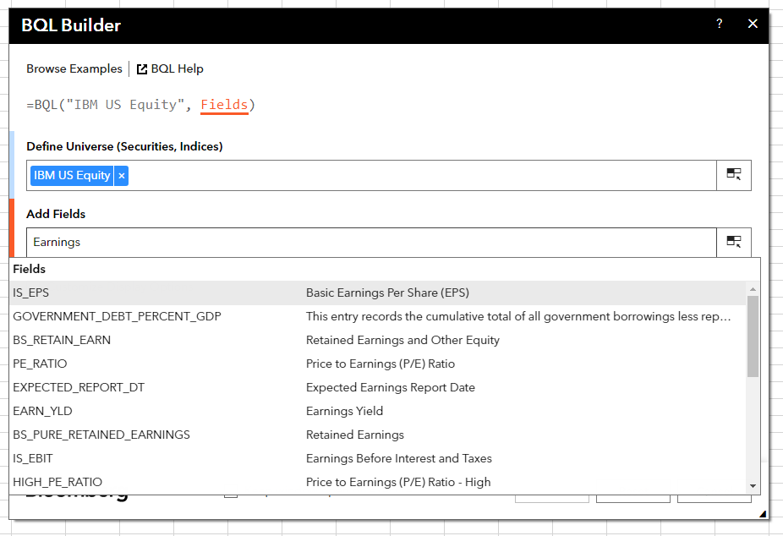
 | Bloomberg Ribbon: BQL Builder + BQL Query Editor
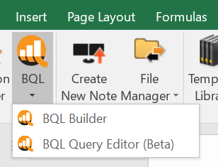

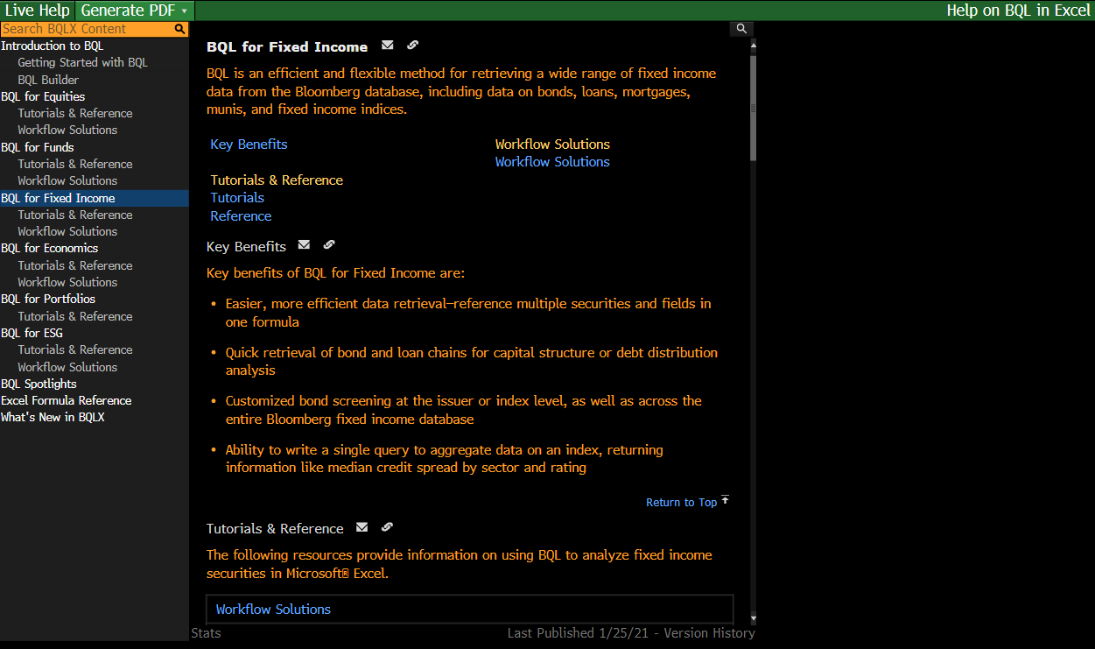
 | BQLX <GO> for HELP Page

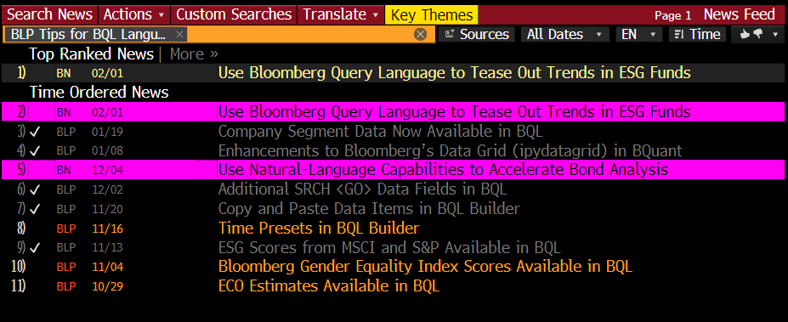
 | NI BLPBQL <GO>
 | Please subscribe it from "Actions" at the top -> Set Alert Delivery

